Sheet1
1 | counter party name
2 | legal entity
3 | agreement id
4 | call amount
5 | value date
6 | currency
7 | collateral position
8 | cusip
9 | isin
10 | isin notional value
11 | dispute text

 |  |  | Agreement ID |  | Counter Party Name |  | Legal Entity

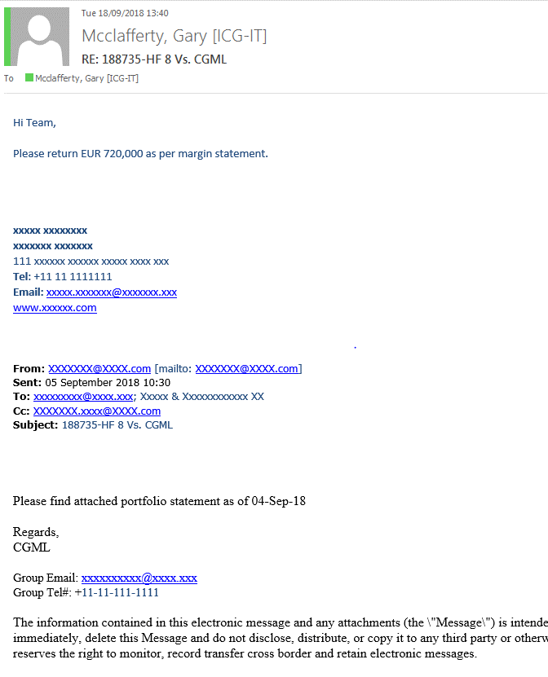

 |  |  |  |  |  |  |  |  | Currency

 |  |  |  |  |  |  |  |  | Call Amount

 |  | Agreement ID |  | Counter Party Name |  | Legal Entity

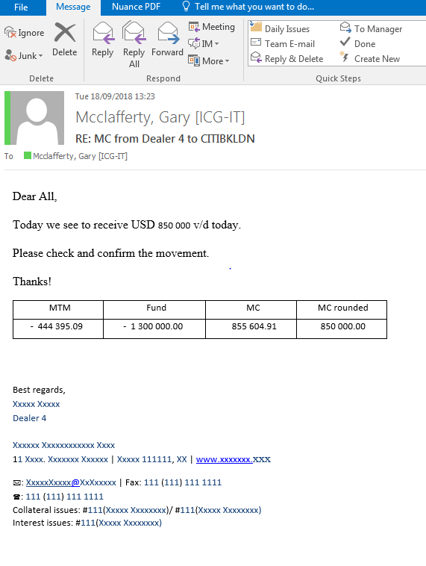

 |  |  |  |  |  |  |  | Currency

 |  |  |  |  |  |  |  | Call Amount

 |  |  |  |  |  |  |  | Value Date

 |  |  |  |  |  |  |  | Collateral Balance

 |  | Agreement ID |  | Counter Party Name |  | Legal Entity

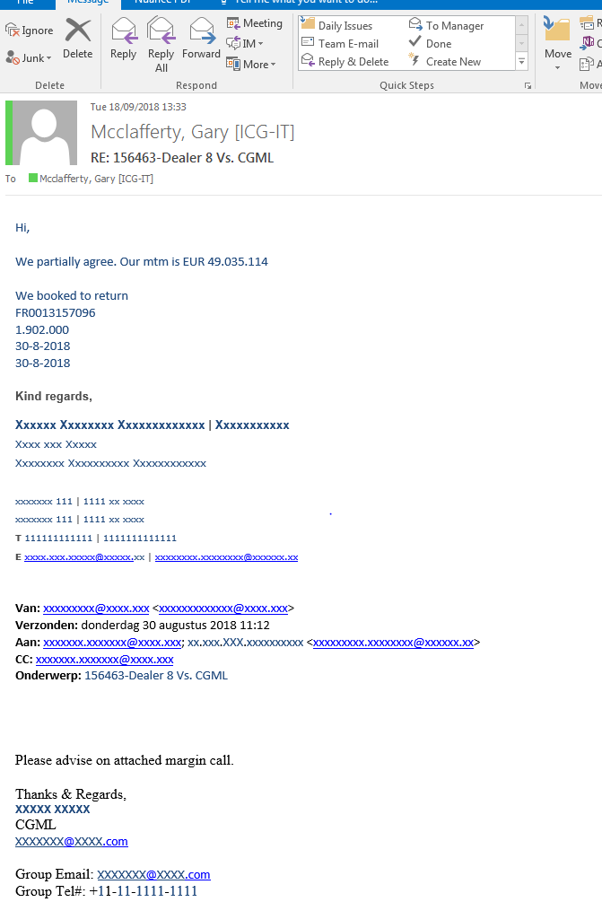

 |  |  |  |  |  |  |  |  | Dispute Text

 |  |  |  |  |  |  |  |  | ISIN

 |  |  |  |  |  |  |  |  | ISIN Notional Value

 |  |  |  |  |  |  |  |  | Value Date

 |  | Agreement ID |  | Counter Party Name |  | Legal Entity

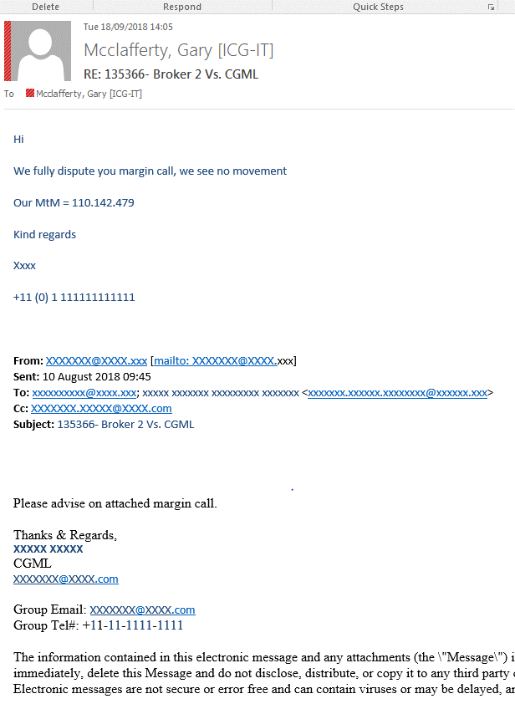

 |  |  |  |  |  |  |  |  | Dispute Text

